A311D W400 Changelist
Version information | Content | After changed | before changed
V02-20180707 | Because VDDCPU need power on after Reset_N pull high,： 1.add 1R29 4.7K pull-up resistor on 1U8 EN pin 2.change 1C85 to 0.1uF 3.change 1R64 to 0R |  | 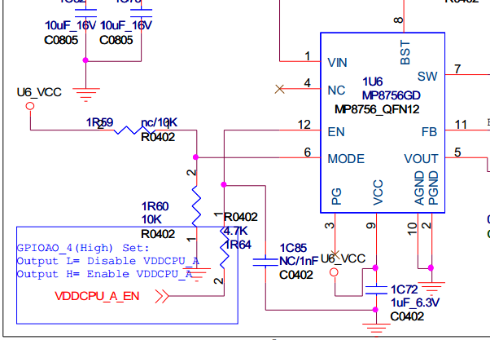
 | ETH RJ45 surge test Fail，(safety distance between RJ45 shell to LED pin surge,surge shell of RJ45) 1.used RJ45 with LED, 2.LED of RJ45 is not connect to 3.3V，add 5D12,5D13 LED . 3.5U2 change from AZ199-04S to AZ1513-04S 4.delete 5C18 cap | 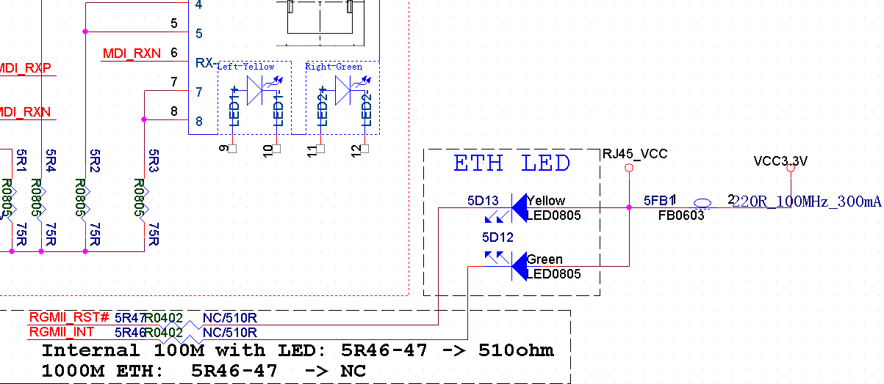 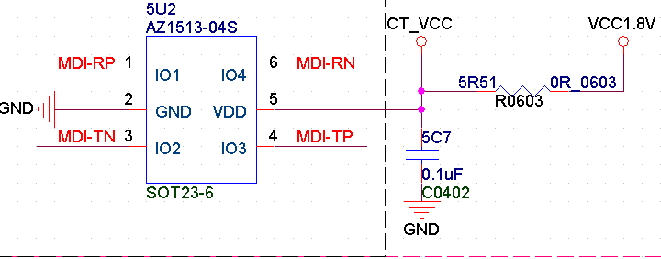 | 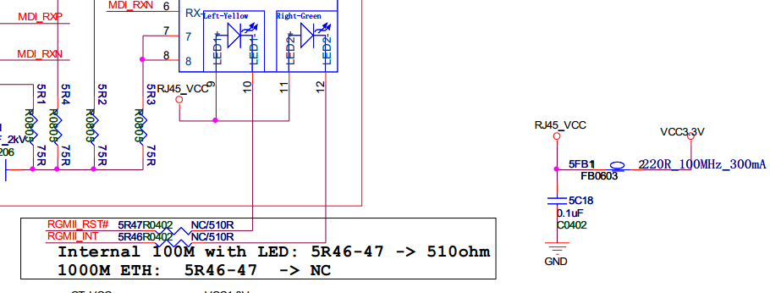 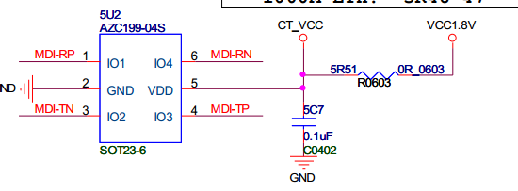
 | HDMI CEC NMOS need turn on in sleep mode， a.add divider resistor （9R9,9R10)， generate 5V voltage for Gate pin of NMOS。 | 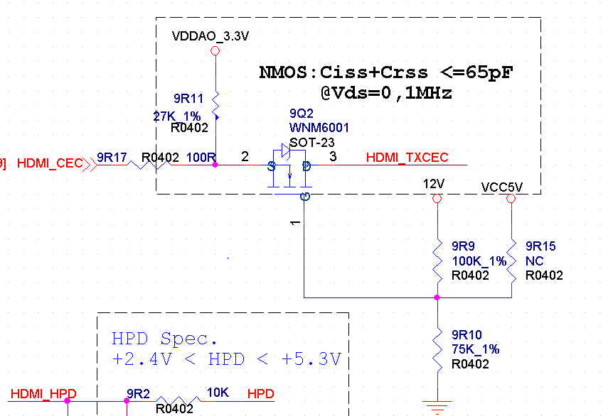
V02-20180707 | 2）5U2 VDD connect to VDDIO_AO18 Power | 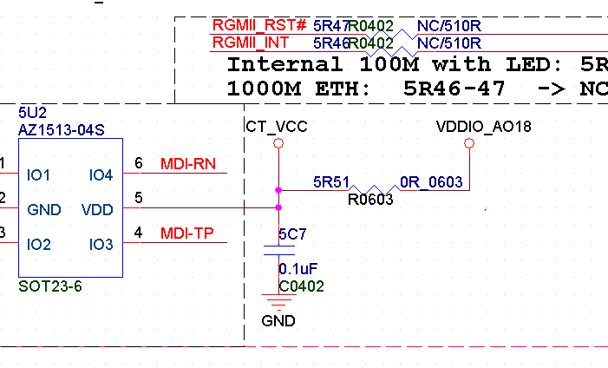
V02-20180707 | 3）delete VDDCPU and VDD_EE PWM pull-up resistor：(change 1R36、1R51、1R67 to NC)
V02-20180707 | 1.delete 1R64 resistor. | 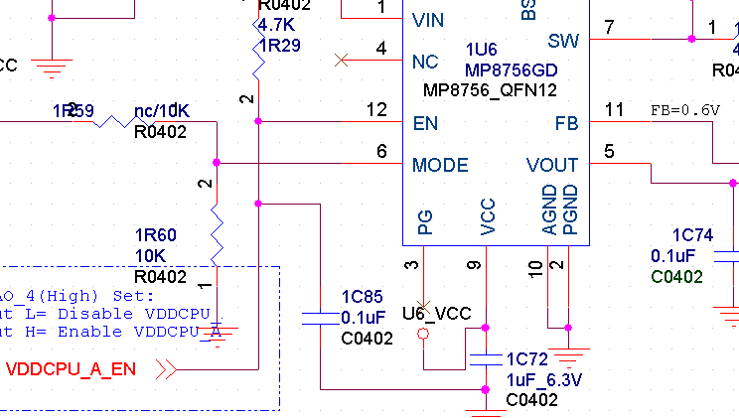 | 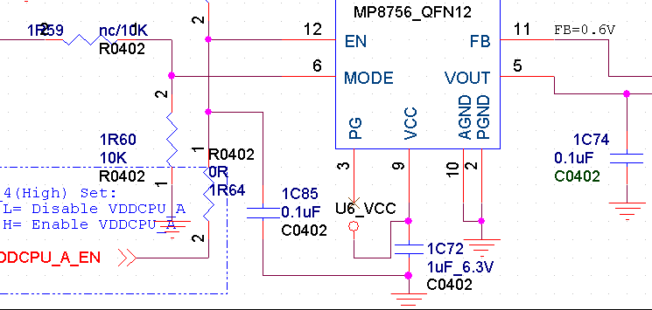
V02-20180707 | 8R3，8R4,8R7，8R8 resistor connect to ETH_VDDIO； | 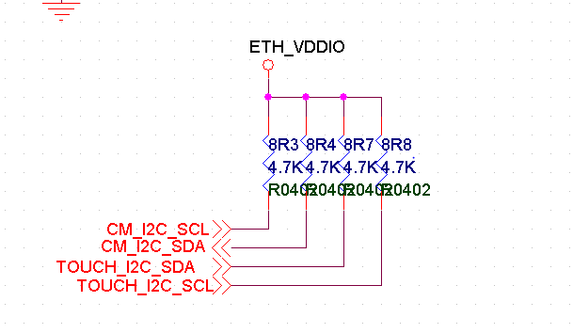 | 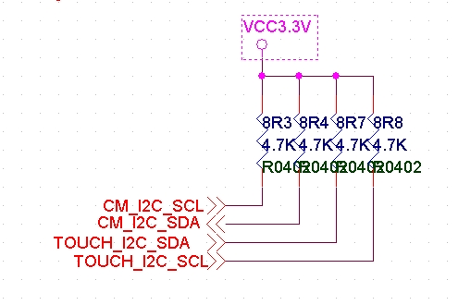
V02-20180707 | use CM_PWRDN_2 GPIOZ_5 control mipi 3.3V power | 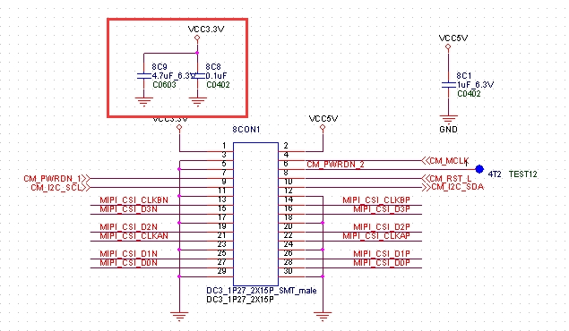 | 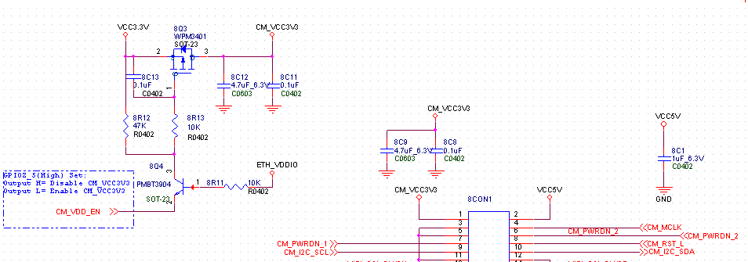
V02-20180707 | change Hardware version to V02 | 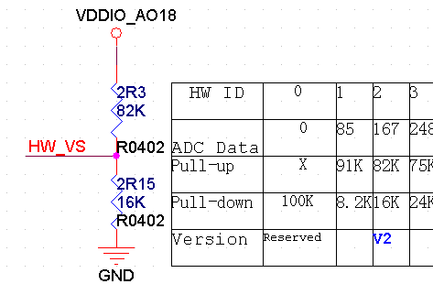 | 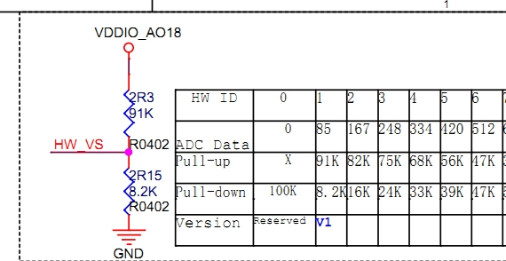
 | 1，change 5R52 to 0R resistor | 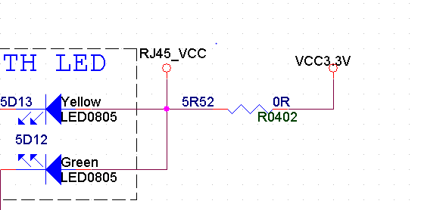
V02-20180707 | 3，change I2C pull-up resistor 10R47/10R48 from 2.2K to 2K. |  | 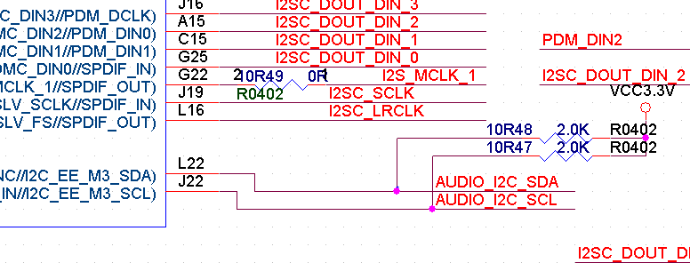
V02-20180707 | 4，change cap vuale from 100nF to 0.1uF. | 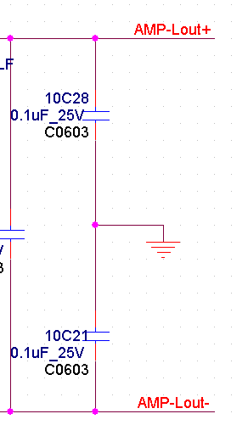 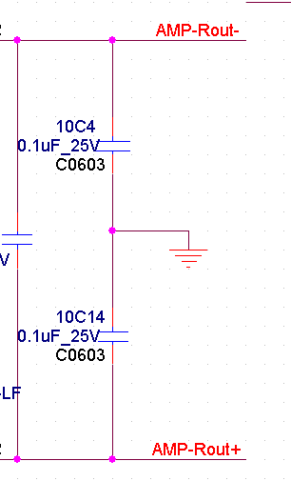
V02-20180707 | 5.change VDD_EE volatge rang to (0.68-0.9V) 1R21=12.1K_1% 1R30=51K_1% 1R43=147K_1% 1R32=300K_1% 1R26=120K_1% | 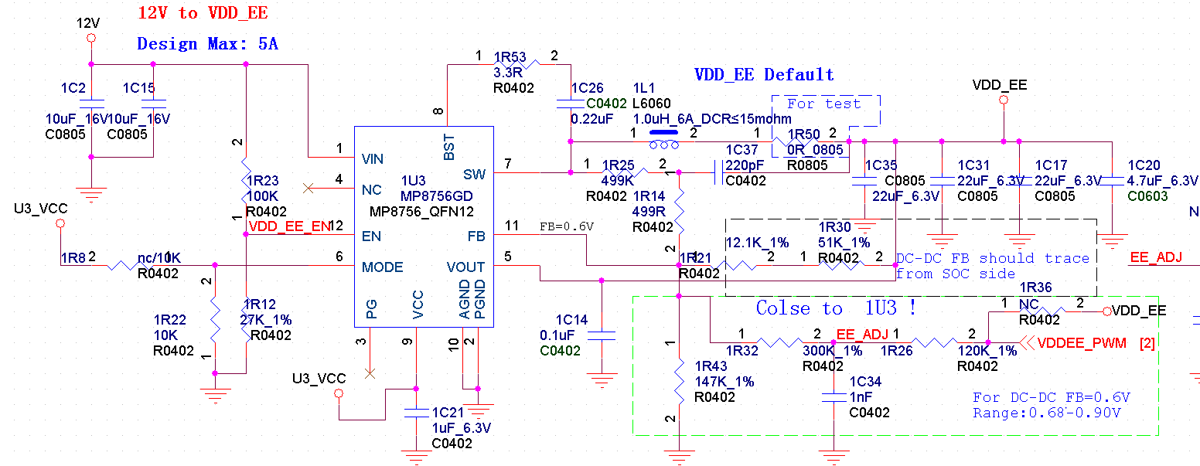 | 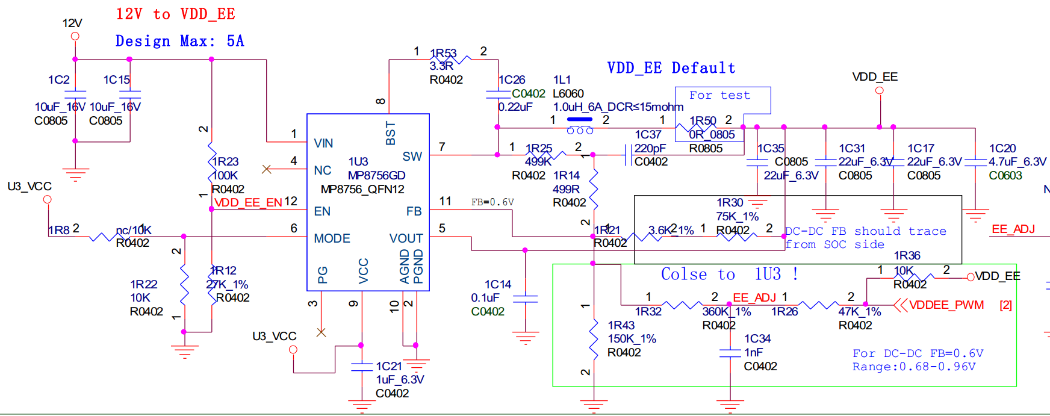
V02-20180707 | For VDDCPU_A power up early to VDDCPU_B： 1C85=0.01uF,1C25=0.1uF | 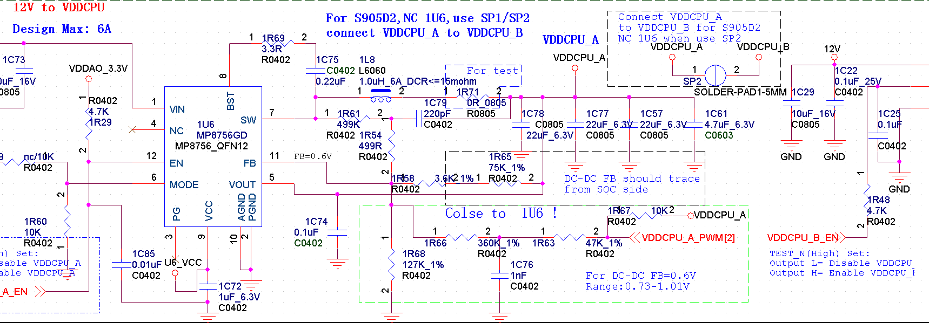 | 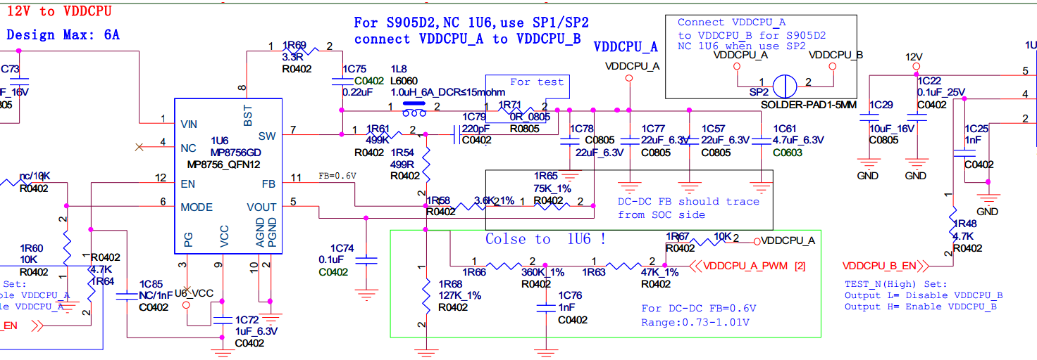
V02-20180707 | add pull-down resistor (4.7K) on NAND_ALE ,for software recognize VDD_EE range version.
V02-20180725 | change VDD_EE voltage range Note(0.69V-0.89V)
V02-20180725 | Change VDD_EE voltage range(0.70-0.88V) 1R30=51.1K_1% 1R21=5.6K_1% 1R43=137K_1% 1R26=160K_1% |  | 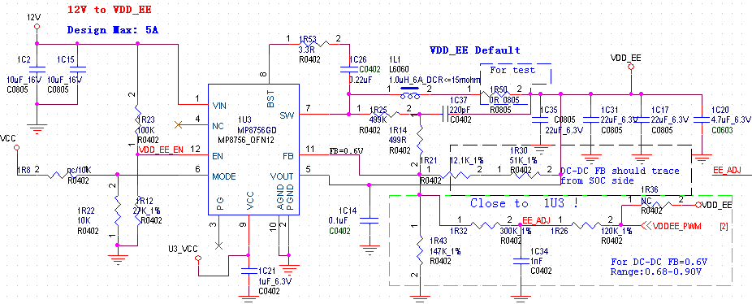
V03-20190221 | change Hardware version to v03: 2R3=75K 2R15=24K | 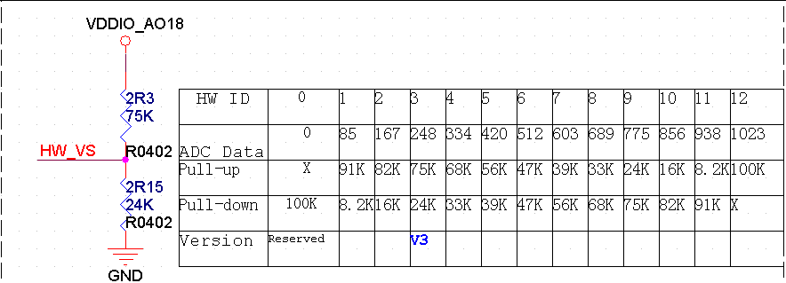 | 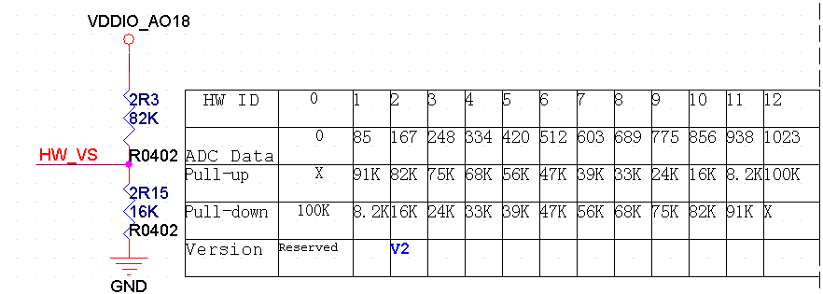
V03-20190221 | 6C19&6C14 NC | 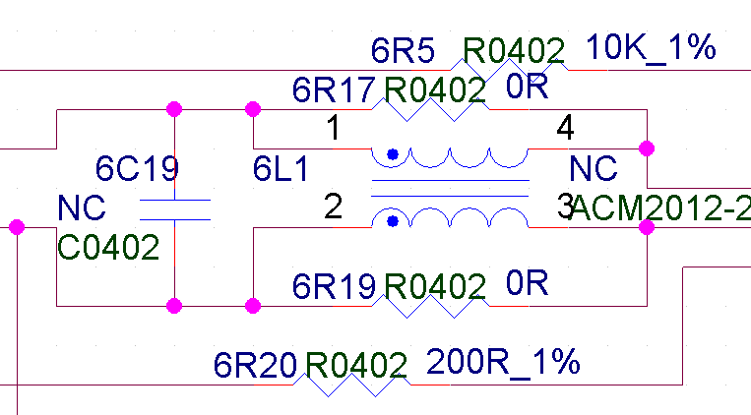 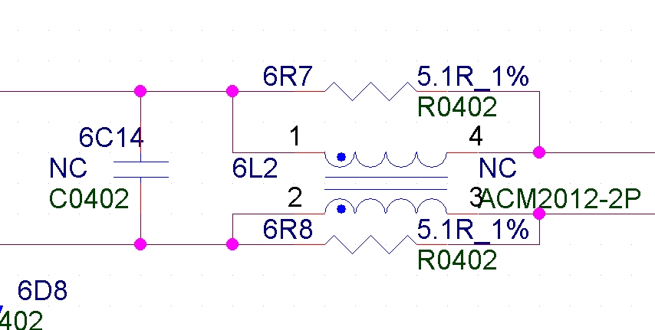 | 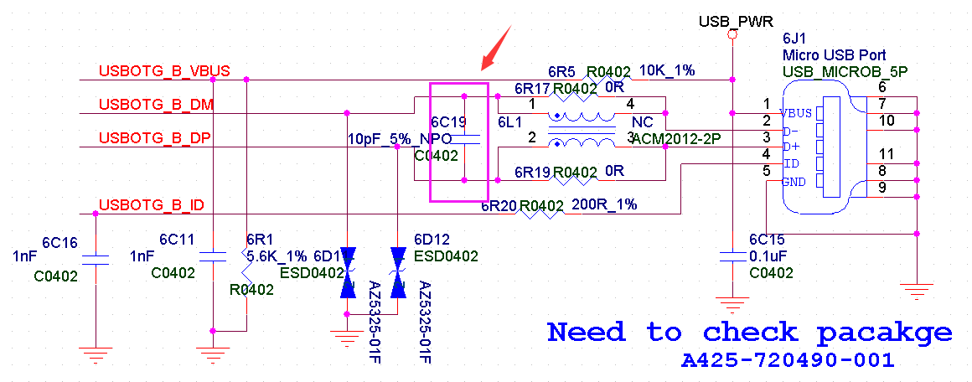 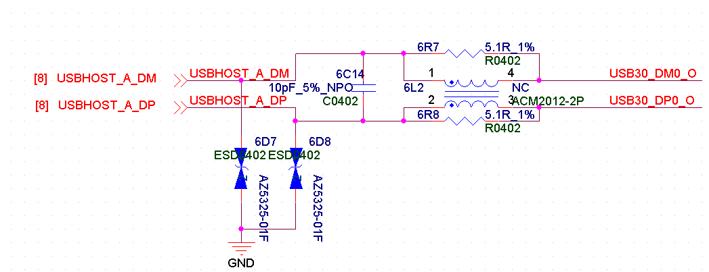
V03-20190221 | Note: For New Project change VDDCPU_A/VDDCPU_B voltage range to 36 step（0.69V -1.05V）。 1R58=10K_1% 1R65=200R_1% 1R68=18.2K_1% 1R66=30K_1% 1R63=20K_1% 1R52=10K_1% 1R28=18.2K_1% 1R35=30K_1% 1R27=20K_1% | 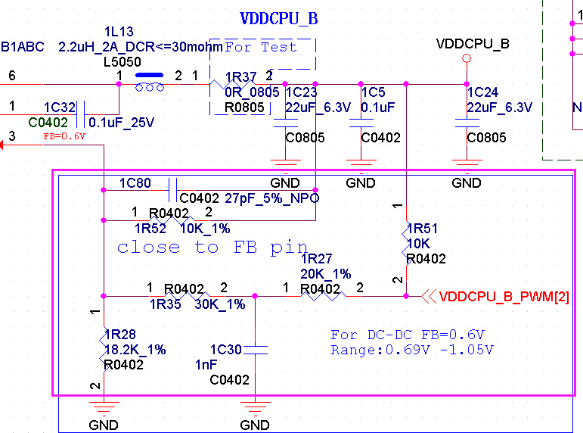 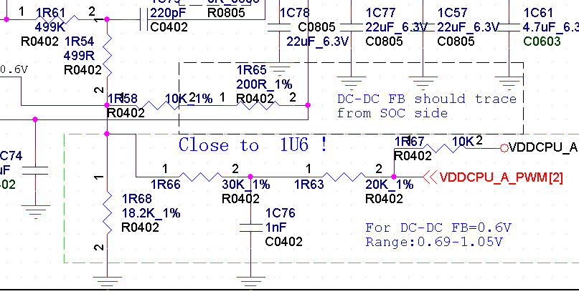 | 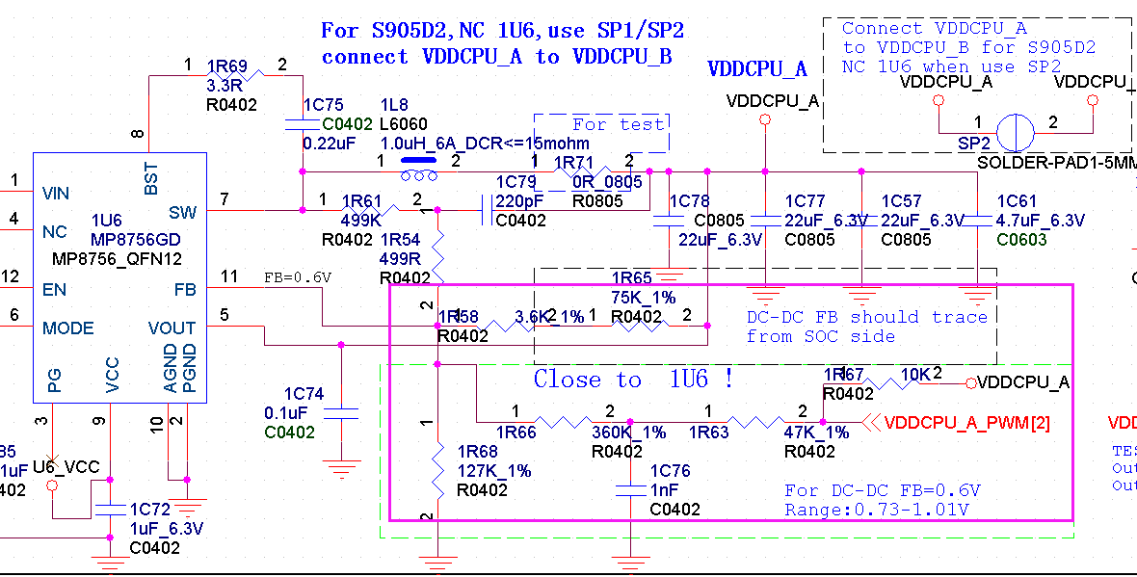 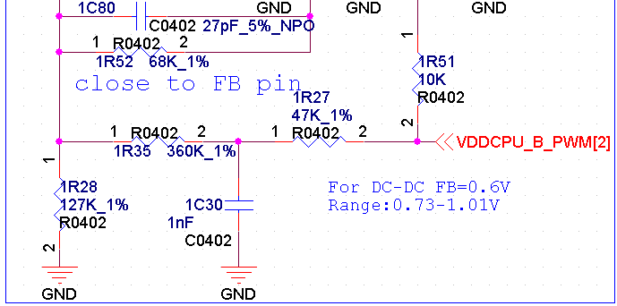

A113D W400 PCB changlist
Version information | Content | After changed | before changed
W400_MBX_DDR4_V02-20180712 | improve VDDCPU_A power trace | 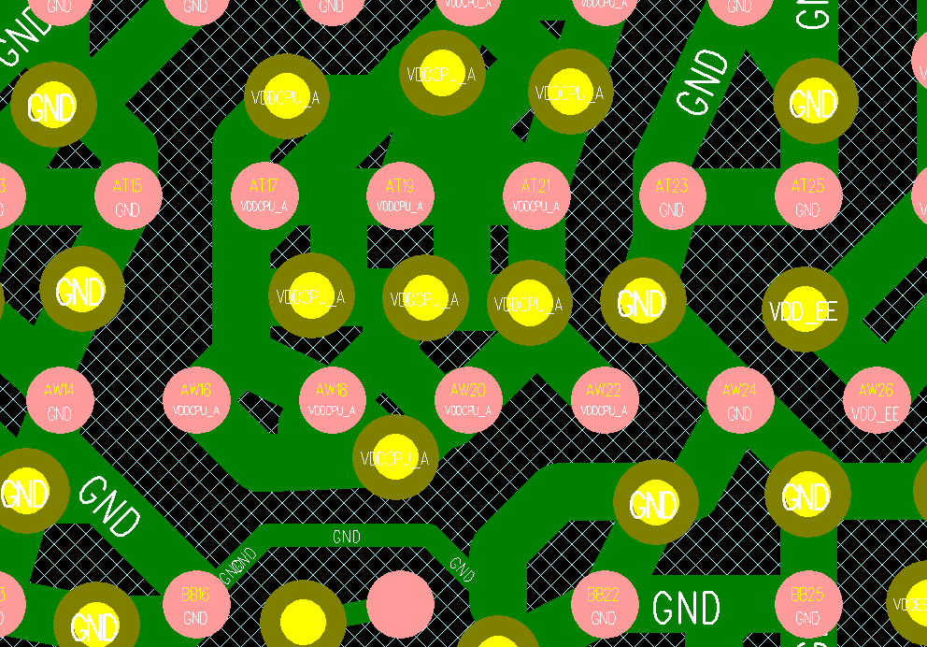 | 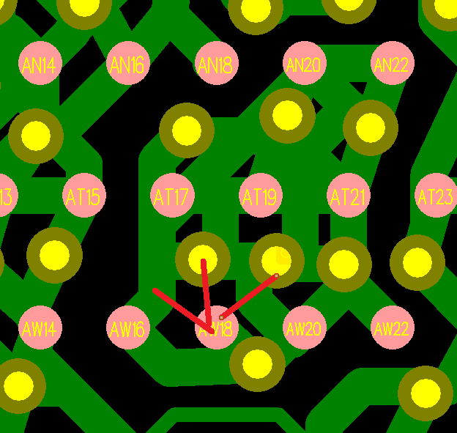
W400_MBX_DDR4_V02-20180712 | largen RJ45 Keepout area | 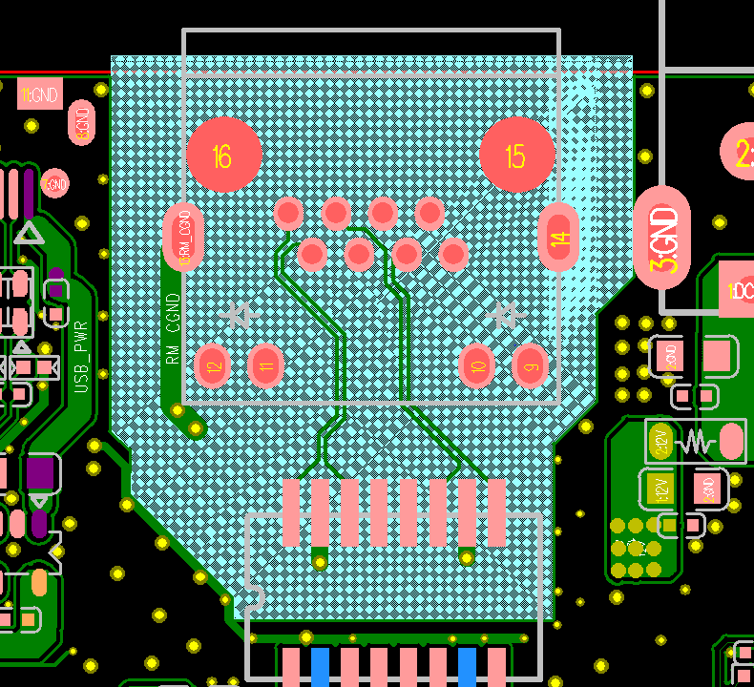 | 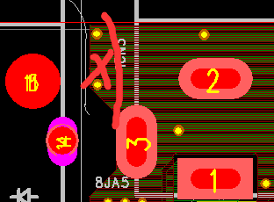
W400_MBX_DDR4_V02-20180712 | 2.shield PWM（For DC-DC PWM) trace with GND | 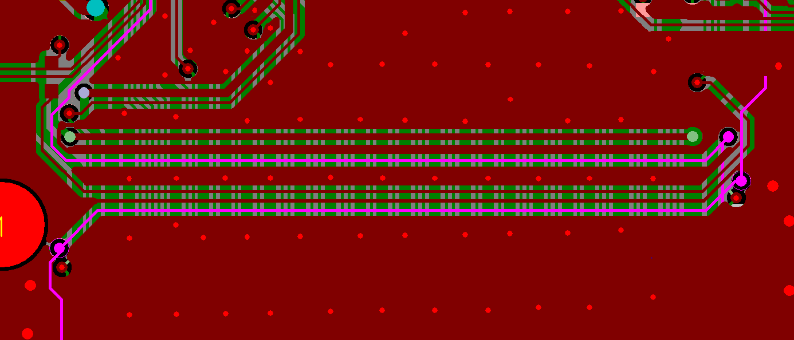 | 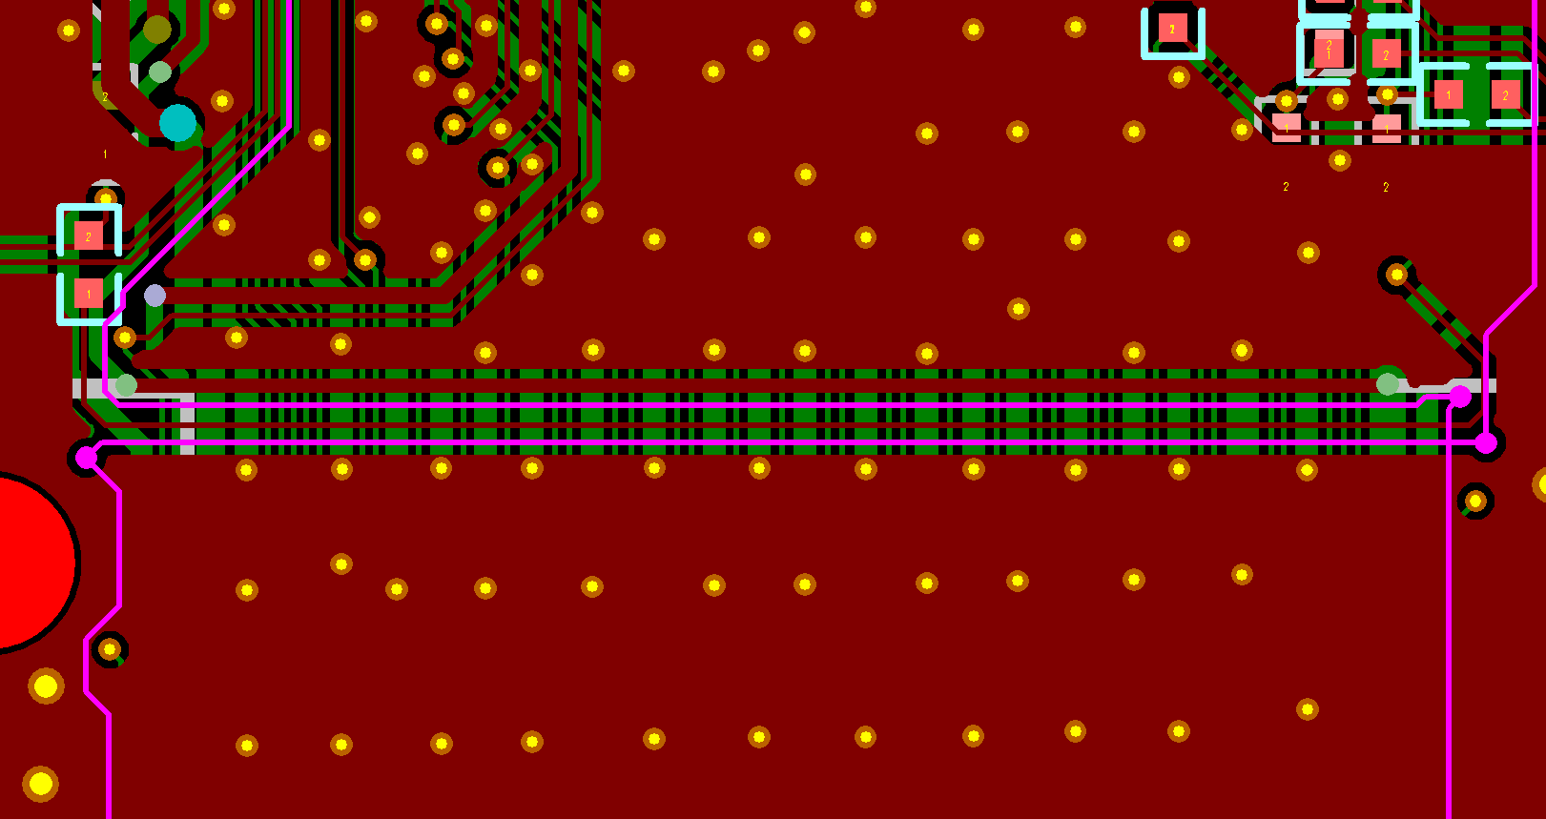
W400_MBX_DDR4_V02-20180712 | 3.improve ball trace of SOC | 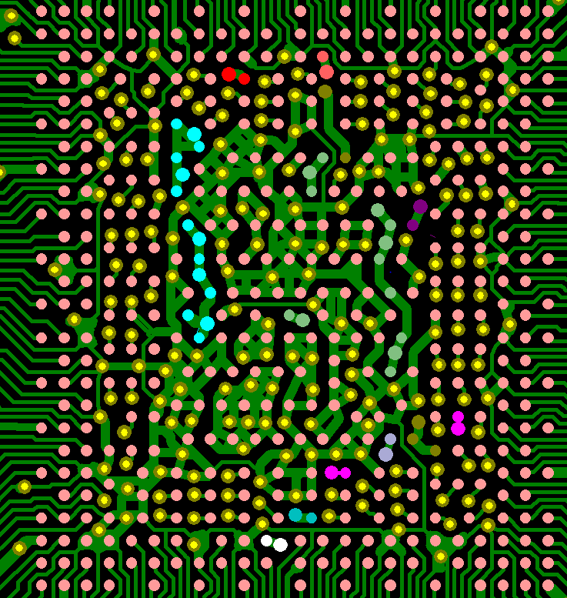
W400_MBX_DDR4_V02-20180712 | 4.shield CM_MCLK trace with GND
W400_MBX_DDR4_V02-20180712 | improve VDDCPU_B power pour | 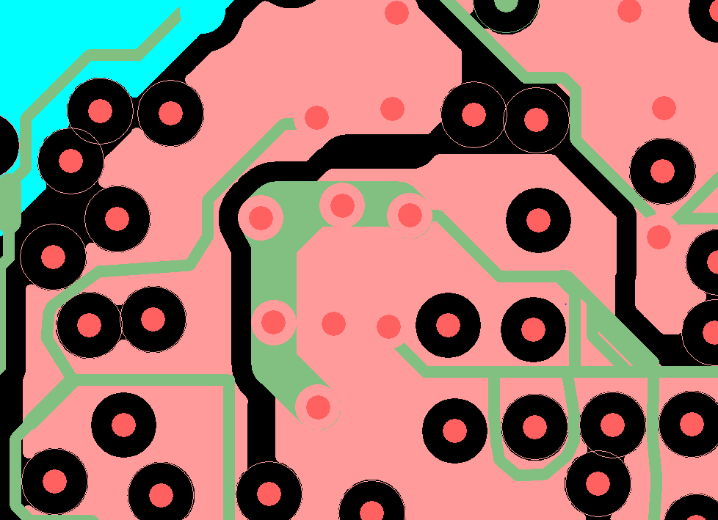 | 